SAT-OMC-MTN-01
▣ Σενάριο SAT-OMC-MTN-01 : Είσοδος Προσωπικού

Προσωπικό
Tapping staff card or enter staff pin
Επιτυχία εισόδου
ΕΕΚ
Validate pin or card
▶ Περιγραφή και Ροή
Περιγραφή |  | The driver can login using the staff card or id/pw.
Ροή εργασιών

▶ Προετοιμασία
Προετοιμασία |  | ΠΡΟΣΩΠΙΚΟ 1 ΑΝΑ ΜΟΝΑΔΑ, KEO 1 AΝΑ ΜΟΝΑΔΑ

▶ Δεδομένα
Αρ. | Αντικείμενο | 1 | 2 | 3 | 4 | 5
1 | N/A

001
Test Case -SAT-OMC-MTN-01-001 : Staff login by tapping card

1. Test Scenario
Test date |  | 1st |  | Tester |  | 1st
 |  | 2nd |  |  |  | 2nd
 |  | 3rd |  |  |  | 3rd

Log-In
Display Setting screen
Staff Card Tapping
Description |  | Staff login by tapping card |  |  |  |  | Written by |  | Süleyman Kabadayı
Flow

NO | Task | Test data | Expected result | Person in charge | Result |  | Pass/Fail |  |  | Remark
 |  |  |  |  |  |  | 1st | 2nd | 3rd
2 | 1.Staff card tapping | Test Data : A | Log-In success Display Setting screen | KIM J.E. | 1st |  |  |  |  | Test Data:B
 |  |  |  |  | 2nd
 |  |  |  |  | 3rd

NO | Item
A | Staff Card | Staff Card for testing
B | 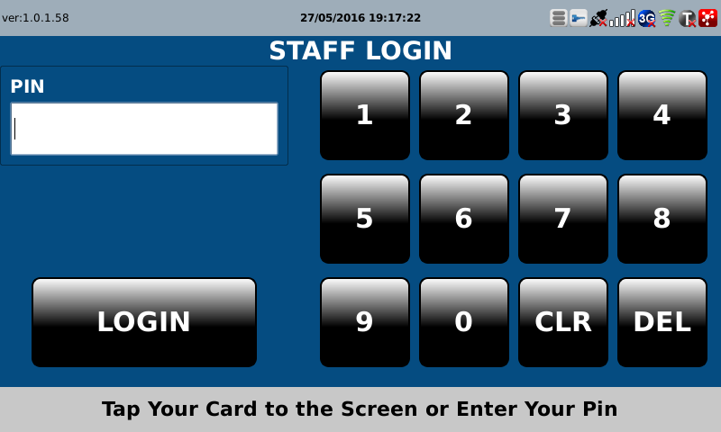 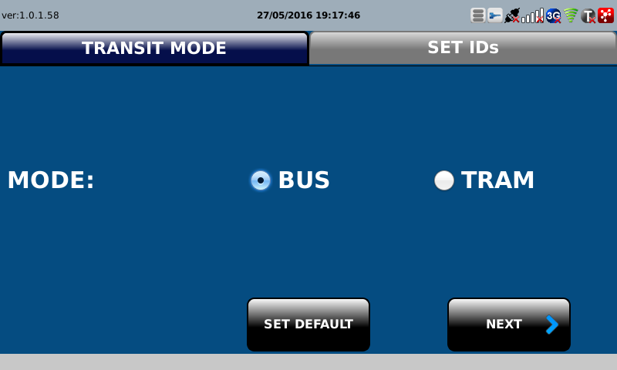

002
Test Case -SAT-OMC-MTN-03-002 : Staff login By PIN

1. Test Scenario
Test date |  | 1st |  | Tester |  | 1st
 |  | 2nd |  |  |  | 2nd
 |  | 3rd |  |  |  | 3rd

Input pin
Log-In success
Description |  | Staff login By PIN |  |  |  |  | Written by |  | Süleyman Kabadayı
Flow

NO | Task | Test data | Expected result | Person in charge | Result |  | Pass/Fail |  |  | Remark
 |  |  |  |  |  |  | 1st | 2nd | 3rd
2 | 1.Input staff pin | Test Data B: Staff pin | Log-In Success | KIM J.E. | 1st |  |  |  |  | Test Data:B
 |  |  |  |  | 2nd
 |  |  |  |  | 3rd

NO | Item
A | Staff PIN | Staff Pin (Initial value = "2580"
B | 